Coverpage
KPN Security Policy
KSP – Tool

Title | Cryptographic algorithms and cipher suites | 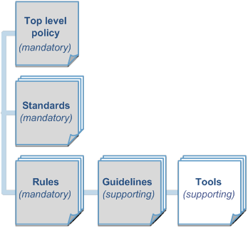
ID | KSP-FA05-TL02
Funct. Area | 05 – System and Network Security
Date | 28 July 2014
Version | v1
Owner | CISO

Version | Date | Comments
v01 | 2014-07-20 | This list shows the mapping between TLS Ciphersuite properties and KSP-FA05-RL07 rules. It also explicitly states if certain ciphersuites should be used according to the KSP, considered, discourage, avoided or which are not allowed.

